Job Details

Job Number & Name: | 35084 LB Bexley
Site Number/Name: | Site 4 - Hatherley Road
Client: | Waterman
Date: | 2023-03-30

Site Plan
Advanced Transport Research |  |  | Job Number & Name: | 35084 LB Bexley
Site 4 - Hatherley Road |  |  | Date: | 2023-03-30

Job Type: | Pedestrian & Vehicle Count
Co-ordinates: | 51°25'56.13"N, 0° 6'15.95"E | Postcode: | DA14 4AJ |  | Times: | 0730-0930 1430-1630

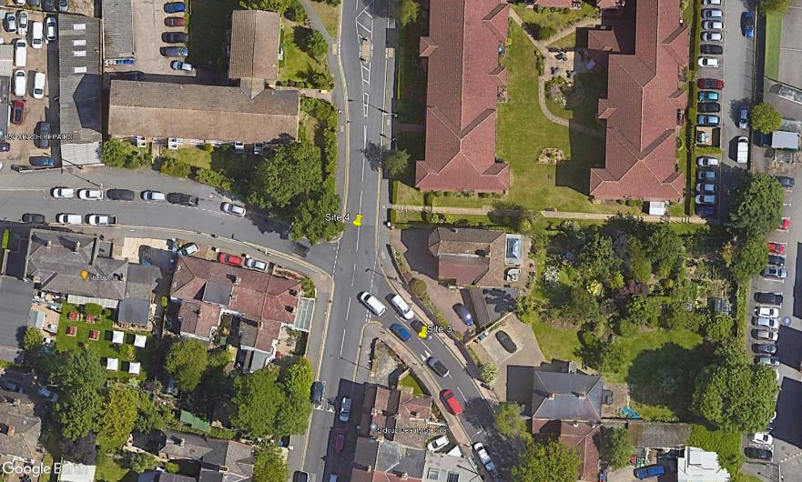
N
2
1

Hatherley Road

B

A

C
D

Alma Road

3

